Configurations
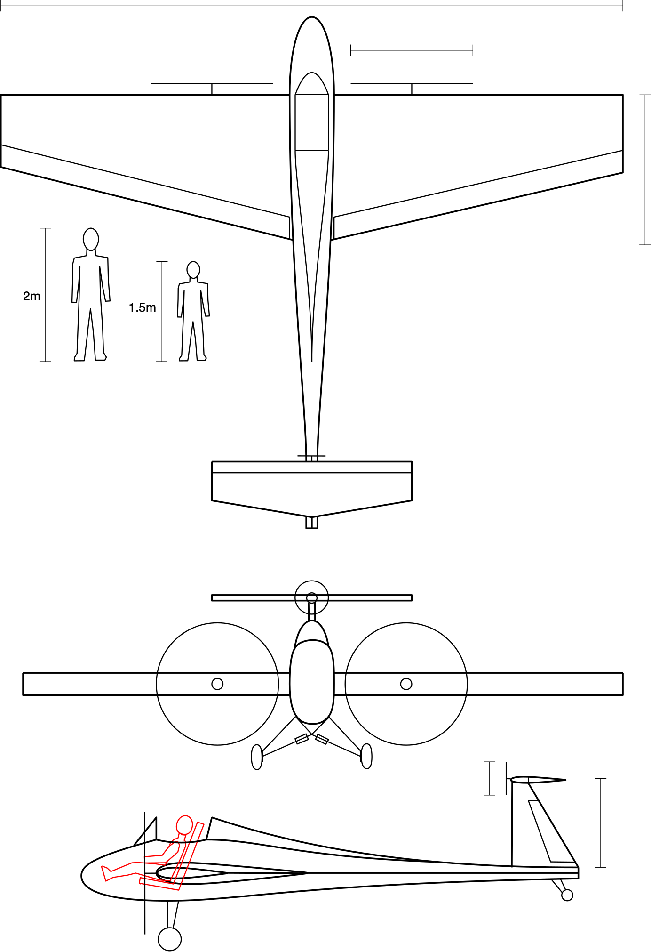
Wing | value | units
Area | 18.82 | m^2
Aspect Ratio | 6 | -
Span | 10.63 | m
Taper Ratio | 0.5 | -
Root Chord | 2.36 | m
Tip Chord | 1.18 | m
Airfoil | NACA 0015 | -
Aileron Length | 4.9595 | m
Root thickness | 0.354 | m
Tip thickness | 0.177 | m

Horiz. Tail
Area | 2.22 | m^2
Aspect Ratio | 4 | -
Span | 2.98 | m
Average Chord | 0.745 | m
Taper Ratio | 0.75 | -
Root Chord | 0.85 | m
Tip Chord | 0.64 | m
Airfoil | NACA 0012 | -
Root Thickness | 0.102 | m
Tip Thickness | 0.077 | m

Vert Tail
Area | 1.000 | m^2
Aspect Ratio | 1.5 | -
Span | 1.22 | m
Average Chord | 0.816 | m
Taper Ratio | 0.75 | -
Root Chord | 0.93 | m
Tip Chord | 0.70 | m
Airfoil | NACA 0012 | -
Root Thickness | 0.1120 | m
Tip Thickness | 0.0840 | m
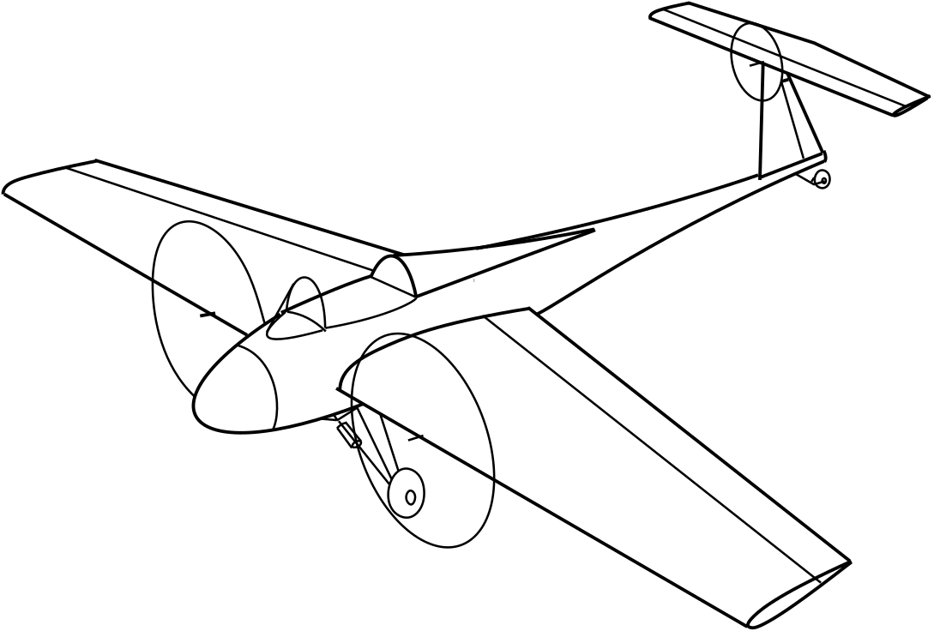
Fuselage
Length origin to tail LE | 5.5 | m
Cockpit Width | 0.711 | m

Wing Motors
Number on Wing | 2 | -
Prop Radius | 1.3 | m
Prop Diameter | 2.6 | m

Tail Motors
Number on Tail | 1 | -
Prop Radius | 0.75 | m
Prop Diameter | 1.5 | m

Masses
Batteries | 38.23764784 | kg
Motors | 20.04237671 | kg

Structures
Bending Stress - Spar D tube
allowable | 600000000.00
factor of safety | 1.50 |  |  |  |  |  |  |  |  |  |  | Bending Stress Landing Gear- (all three wheels
Get Applied Stress | 400000000.00 |  |  |  |  |  |  |  |  |  |  | Speed |  | m/s
# of g's | 6.00 |  |  |  |  |  |  |  |  |  |  | Force Load |  | N (assuming Cl of 1 for Lift of wing generated)
Load | 6854.49 |  |  |  |  |  |  |  |  |  |  | Half Span "b/2" | #REF! | m
half span | 5.313 |  |  |  |  |  |  |  |  |  |  | Average chord length "c" | #REF! | m (from span/AR)
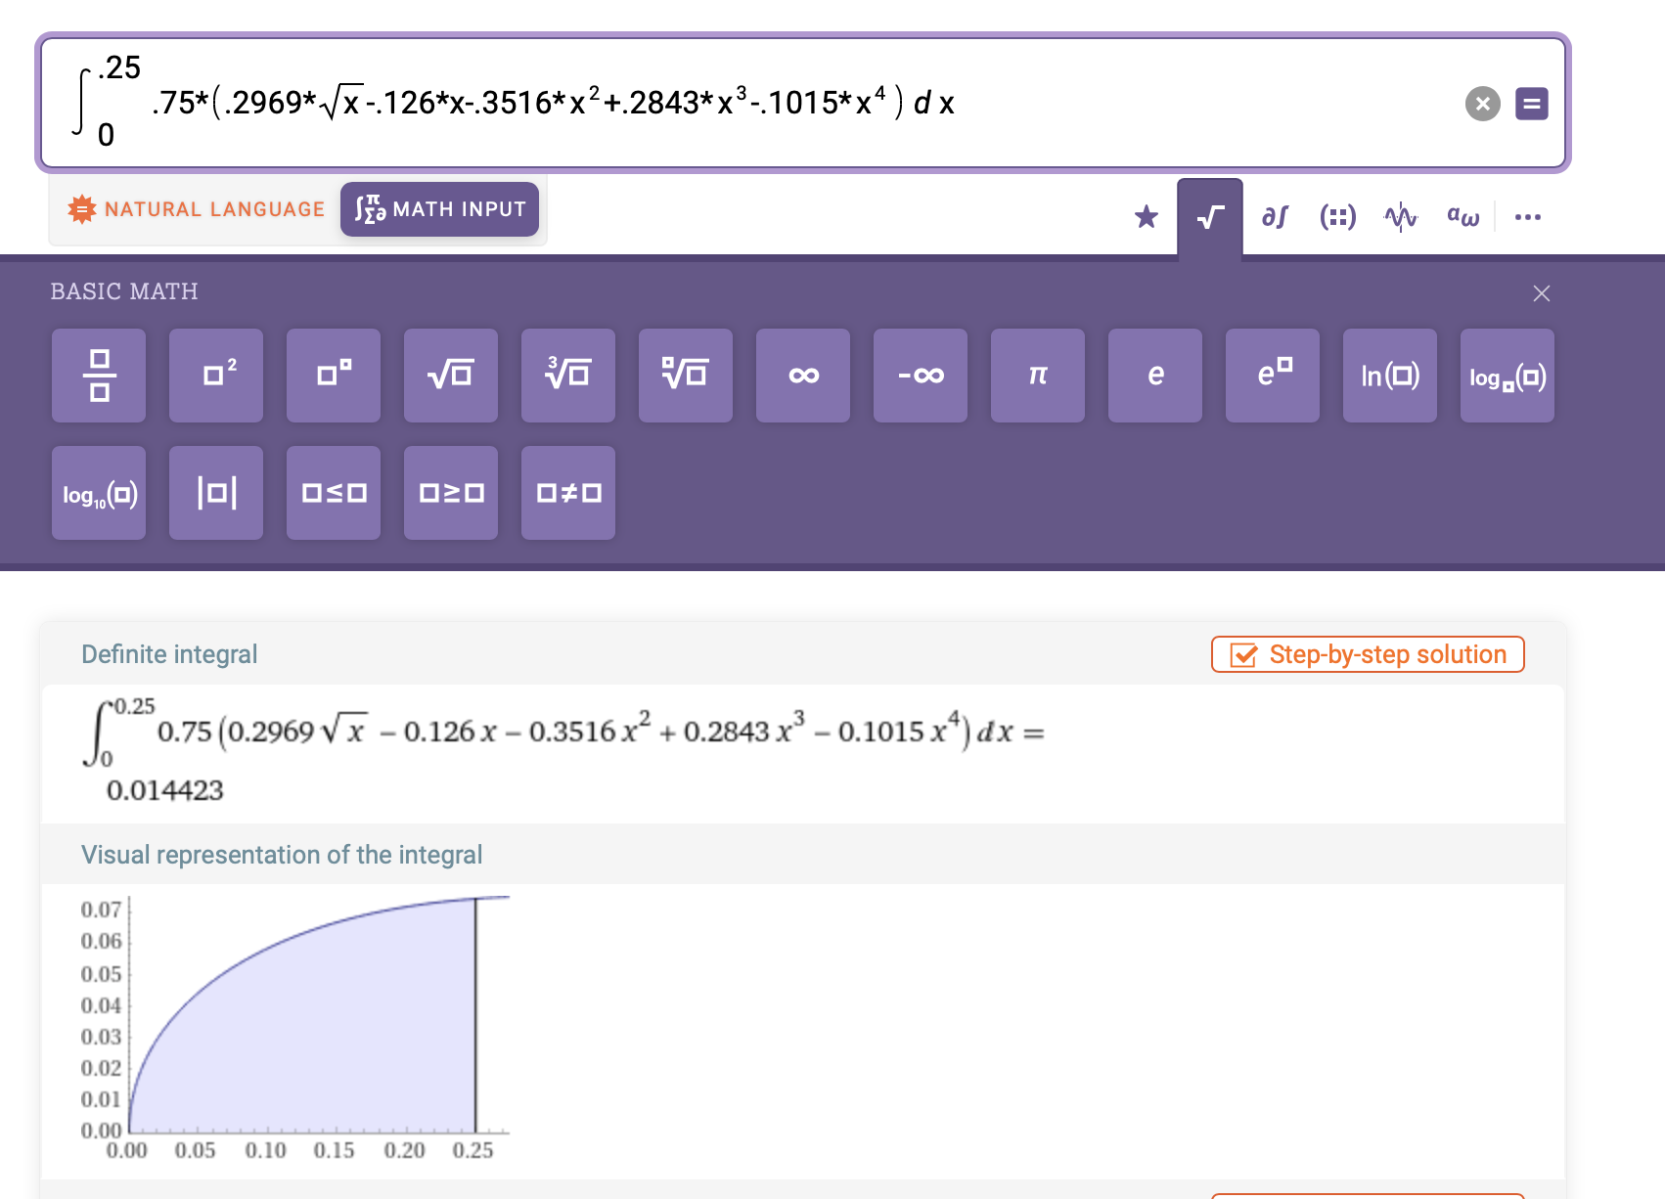
Torque
radius
load
dist to neutral axis "c" | 0.133 | avg chord |  |  |  |  |  |  |  |  |  | Height of wing "H" | 0.80 | m ***
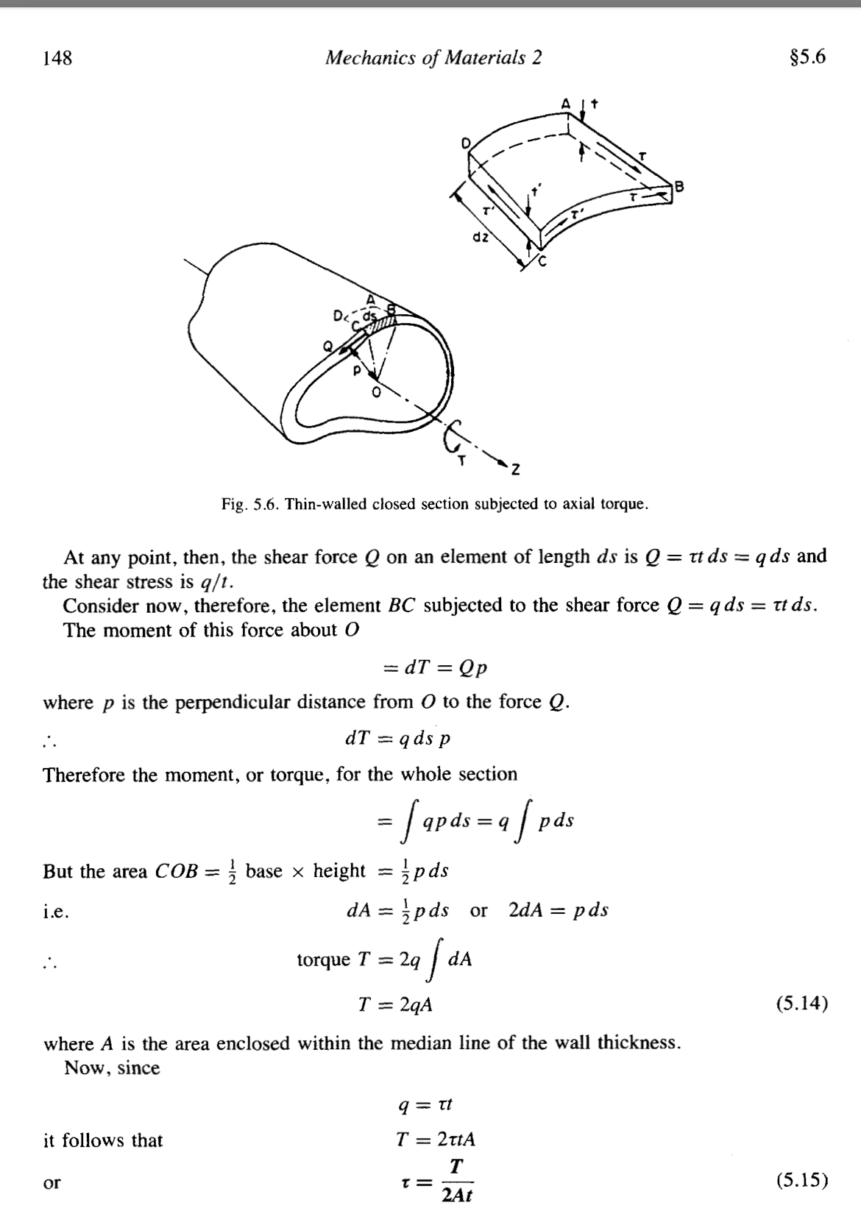
Estimated spar thickness | 0.002 | 2 mm thick |  |  |  |  | ** unsure about chord scaling factor? answer is about 1/3 of total enclosed area |  |  |  |  | Spar Cap width "h" | 0.005 | m******
moment of inertia for both /d | 0.00007057500 | spar thickness x c^2/d)*2 |  |  |  |  |  |  |  |  |  | Moment of Inertia of Beam | #REF! | m^4 (spar caps are not through the full chord)
Moment | 18209.61412 | divided by 2 distributed load |  |  |  |  |  |  |  |  |  | Moment (distributed load) | #REF! | N*m (https://mechanicalc.com/reference/beam-analysis)
Get "d" len of spar caps | 8.56812E-02 | m |  |  |  |  |  |  |  |  |  | Safety Factor | 1.50
Get "d" len of spar caps | 3.37E+00 | in |  |  |  |  |  |  |  |  |  | Bending Stress | #REF! | Pa

Torsional Bending Stress - Spar D tube - 90 AoA |  |  |  |  |  |  |  |  |  |  |  | Bending Stress of Carbon Fiber | 6.22E+08 | Pa 2 mm
Air density | 1.225 | SL density
Velocity | 28.29 | m/s
Wing Area | 18.82
CD of Flat plate | 1.28
Load | 11812.36 | Drag, assumign 90 AoA
moment arm | 0.44276593 | from 25% chord - COP (avg chord)
Torque | 5230.11 | Nm
Area Enclosed | 0.09 | m^2
thickness | 0.001 | m thickness
Torsional Stress | 28901932.94 | Pa
allowable | 600000000.00 | converts shear to axial
Quarter chord
Center of Pressure at 0 lift
Moment Arm
Load
Torque
factor of safety | 1.50 |  |  |  |  |  |  |  | Bending Stress HTail - Case 1
convert torsion to tensile load, |  |  |  |  |  |  |  |  | Speed | 28.29 | m/s

Torsional Bending Stress - HTail on 90 degree AoA |  |  |  |  |  |  |  |  | Force Load | #REF! | N (3000 comes from Pitch Reqs.)
Load |  | Drag |  |  |  |  |  |  | Half Span "b/2" | #REF! | m
moment arm | 0.18633365 | from 25% chord - COP (avg chord) |  |  |  |  |  |  | Average chord length "c" | #REF! | m (from span/AR)
Torque | 0.00 | Nm |  |  |  |  |  |  | Height of wing "H" | 0.60 | m ***
Area Enclosed | 0.01 | m^2 |  |  |  |  |  |  | Spar Cap width "h" | 0.005 | m******
thickness | 0.001 | m thickness |  |  |  |  |  |  | Moment of Inertia of Beam | #REF! | m^4 (spar caps are not through the full chord)
Torsional Stress | 0.00 | Pa |  |  |  |  |  |  | Moment (distributed load) | #REF! | N*m (https://mechanicalc.com/reference/beam-analysis)
Total Stress |  | bending + torsion |  |  |  |  |  |  | Safety Factor | 1.50
Safety Margin |  |  |  |  |  |  |  |  | Bending Stress | #REF! | Pa
 |  |  |  |  |  |  |  |  | Bending Stress of Carbon Fiber | 6.22E+08 | Pa 2 mm
 |  |  |  |  |  |  |  |  | Safety Margin w/ 1.4 FS | #REF! | (Allowable/Applied*FS) - 1

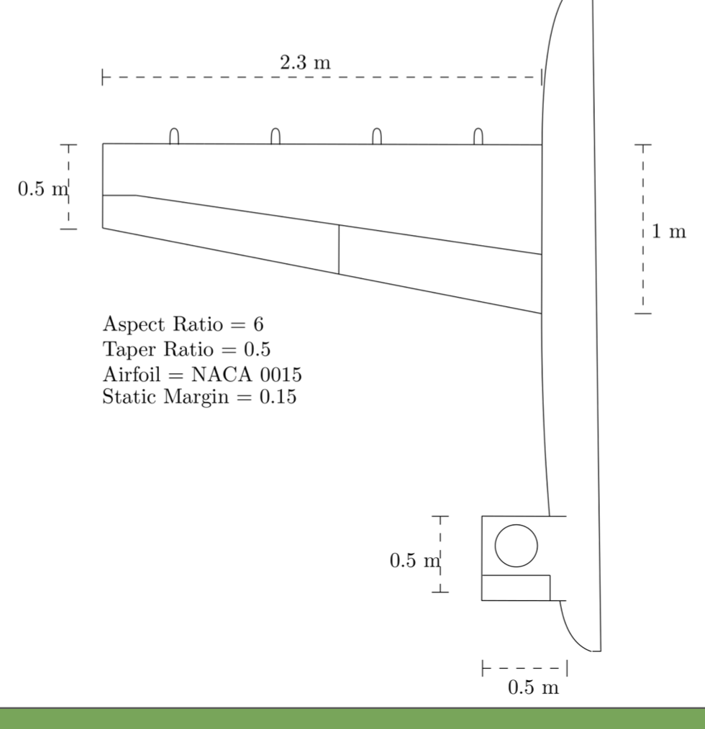
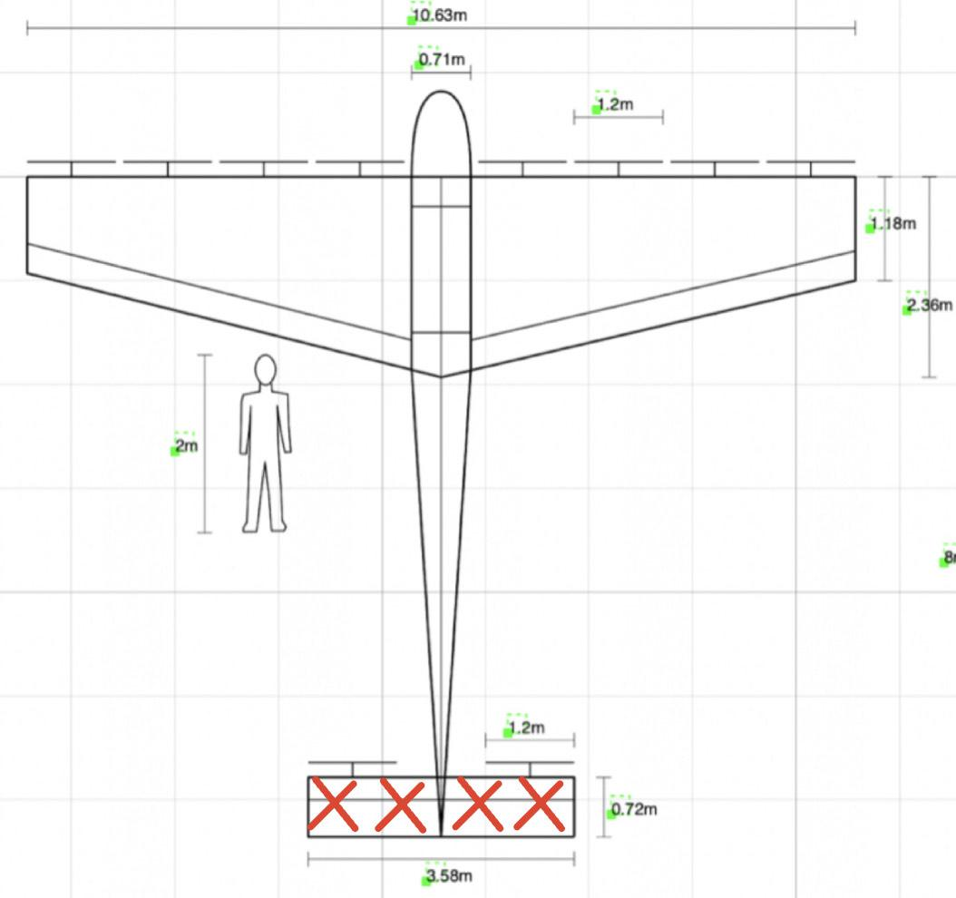
Bending Stress - Case 1 |  |  |  |  |  |  |  |  | Bending Stress HTail - Case 2 (90 AoA)
# of g's | 6.00 |  |  |  |  |  |  |  | Speed | 28.29 | m/s
Thrust Force "F" | 6854.49 | N (weight in kg*9.8) x 6g's /2 |  |  |  |  |  |  | Force Load | 1961.29 | N
Half Span "b/2" | 5.31 | m |  |  |  |  |  |  | Half Span "b/2" | 1.49 | m
Total chord length "c" | 0.50 | m |  |  |  |  |  |  | Average chord length "c" | 0.75 | m (from span/AR)
Height of wing "h" | 0.08 | m (thickness to chord ratio used to find) |  |  |  |  |  |  | Height of wing "H" | 0.60 | m ***
Dist to neutral axis | 0.04 |  |  |  |  |  |  |  | Spar Cap width "h" | 0.005 | m******
Moment "M" | 18208.96 | N*m (distributed load) |  |  |  |  |  |  | Moment of Inertia of Beam | 8.107842833E-05 | m^4 (spar caps are not through the full chord)
Area Mom. Inertia "I" outer | 0.00001757813 | m^4 |  |  |  |  |  |  | Moment (distributed load) | 1461.82 | N*m (https://mechanicalc.com/reference/beam-analysis)
Area Mom. Inertia "I" inner | 0.00000665500 | m^4 (thickness of 2mm) |  |  |  |  |  |  | Safety Factor | 1.50
Total Area Mom Inertia | 0.00001092313 | m^4 |  |  |  |  |  |  | Bending Stress | 5408912.35200000000 | Pa
Safety Factor | 1.5 |  |  |  |  |  |  |  | Bending Stress of Carbon Fiber | 6.22E+08 | Pa 2 mm
Bending Stress | 6.25129E+07 | Pa |  |  |  |  |  |  | Safety Margin w/ 1.4 FS | 75.66 | (Allowable/Applied*FS) - 1
Bending stress of Carbon Fiber | 6.22E+08 | Pa 2 mm
Safety Margin w/ 1.4 FS | 5.63 | (Allowable/Applied*FS) - 1
 |  |  |  |  |  |  |  | Hello Professor Hall,
assume TWR = 1
2mm thick base | 0.48
2mm thick height | 0.06
 |  |  |  |  |  |  |  | Best,
Bending Stress - Case 2
# of g's | 6.00
Thrust Force "F" | 6854.49 | N (weight in kg*9.8) x 6g's /2
Half Span "b/2" | 5.31 | m
Total chord length "c" | 1.18 | m (smallest part)
Height of wing "h" | 0.08 | m (thickness to chord ratio used to find)
Dist to neutral axis | 0.59
Moment "M" | 18208.96 | N*m (distributed load)
Area Mom. Inertia "I" outer | 0.01026895000 | m^4
Area Mom. Inertia "I" inner | 0.00715410667 | m^4 (thickness of 2mm)
Total Area Mom Inertia | 0.00311484333 | m^4
Safety Factor | 1.5
Bending Stress | 1.72453E+06 | Pa
Bending stress of Carbon Fiber | 6.22E+08 | Pa 1 mm
Safety Margin w/ 1.4 FS | 239.45 | (Allowable/Applied*FS) - 1
 |  |  |  |  |  |  |  |  |  | 0
assume TWR = 1
2mm thick base | 1.16
2mm thick height | 0.06

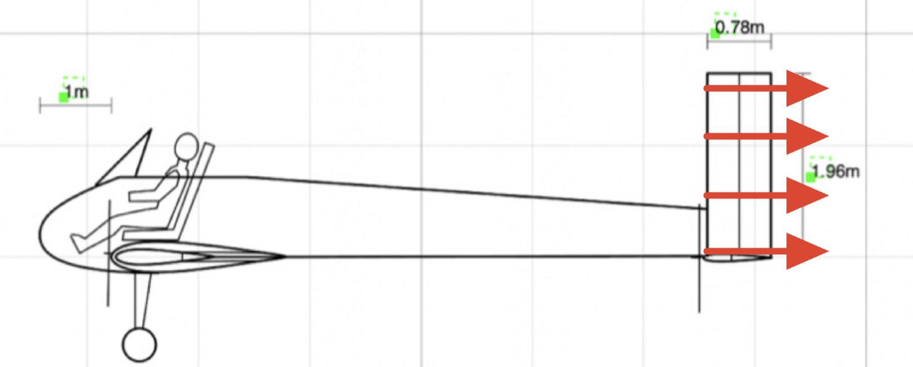
 |  |  |  |  |  |  |  |  | Bending Stress Vtail- Case 1 ( Yaw Roll)
Weight of Main Wing |  |  |  | Weight of Tail Wing |  |  |  |  | Speed | 28.29 | m/s
Root Chord | 2.36000 | m |  | Horiz. Area | 0.55552 | m^2 |  |  | Force Load | 490.32 | N (assuming Cl of 1 for Lift of wing generated)
DBox Half-Circumference | 1.29500 | m |  | Horiz. Ave Chord | 0.74533 | m |  |  | Half Span "b/2" | 0.61 | m
Tip Chord | 1.18000 | m |  | Horiz. Volume | 0.0005621899343 | m^3 |  |  | Average chord length "c" | 0.82 | m (from span/AR)
Tip Circumference | 2.36100 | m |  | Vert. Area | 0.24999 | m^2 |  |  | Height of wing "H" | 1.00 | m ***
Wing Skin Thickness | 0.00100 | m |  | Vert. Ave Chord | 0.81647 | m |  |  | Spar Cap width "h" | 0.005 | m******
Spar Cap Thickness | 0.00100 | m |  | Vert. Volume | 0.00026 | m^3 |  |  | Moment of Inertia of Beam | 0.0002500704125 | m^4 (spar caps are not through the full chord)
Spar Thickness | 0.00100 | m |  | CF Density | 1550.00000 | kg/m^3 |  |  | Moment (distributed load) | 150.13 | N*m (https://mechanicalc.com/reference/beam-analysis)
Spar Length | 10.63000 | m |  | Total Weight | 1.27127 | kg |  |  | Safety Factor | 1.50
Skin Volume | 0.01943 | m^3 |  |  |  |  |  |  | Bending Stress | 300167.45580000000 | Pa
Spar Volume | 0.00376 | m^3 |  | Weight of Fuselage |  |  |  |  | Bending Stress of Carbon Fiber | 6.22E+08 | Pa 2 mm
CF Density | 1550.00000 | kg/m^3 |  | Passenger SA | 11.04400 | m^2 |  |  | Safety Margin | 1381.45 | (Allowable/Applied*FS) - 1
Total Weight | 35.95172 | kg |  | Passenger Vol | 0.005522 | m^3
 |  |  |  | Integrated I Beam | 0.00013 | m^3
 |  |  |  | CF Skin Thickness | 0.0005 | m
 |  |  |  | CF Density | 1550.00000 | kg/m^3 |  |  | Torsional Stress Vtail- (Max Rudder Deflection)
 |  |  |  | Total Weight | 10.75883 | kg |  |  | Load |  | Drag
 |  |  |  |  |  |  |  |  | moment arm | 0.00000000 | from 25% chord - COP (avg chord)
 |  |  |  |  |  |  |  |  | Torque | 0.00 | Nm
Center of Mass | Mass (kg) | x-position (m) | Mass contribution (m*kg) |  |  |  |  |  | Area Enclosed | 0.00 | m^2
Pilot | 104.33 | 0.3 | 31.2978 |  |  | 104.33 |  |  | thickness | 0.001 | m thickness
Batteries | 38.24 | -0.5 | -19.11882392 |  |  | 80 |  |  | Torsional Stress | #DIV/0! | Pa
Primary Motors | 16.03 | 0.59 | 9.460001809 |  |  | 16
Primary Wing | 35.95 | 0.59 | 21.21151657 |  |  | 64.18
Stablizer Motors | 4.01 | 7.28 | 29.1817005 |  |  | 4
Tail Wing | 1.27 | 7.28 | 9.254856027 |  |  | 6.38
Structures | 10.76 | 3 | 32.2764804 |  |  | 8.76
Total | 210.59 | 0.59 | 0.5392691632 |  |  | 283.65

Item | Mass (kg)
Pilot | 104.33
Main Wing | 64.18
Primary Motors | 5.71
Tail Wing | 6.38
Tail Motors | 1.43
Structures | 8.76
Batteries | 37.42

Mass Percentage Breakdown
Total | 228.21

Item | Mass (kg) | x-position (m) | z-position (m)
Pilot | 104.33 | 1.00 | 0.46
Primary Wing | 35.95 | 0.59 | 0.00
Primary Motors | 13.36 | 0.00 | 0.00
Tail Surfaces | 1.27 | 7.28 | 1.00
Tail Motor | 6.68 | 7.11 | 1.36
Batteries | 38.24 | -1.02 | 0.50
Fuselage | 5.00 | 4.00 | 0.00
Landing Gear | 8.80 | 0.00 | -1.00
Seat | 1.00 | 1.00 | 0.10
Avionics | 9.00 | -0.60 | 0.50
Misc. Structures | 1.00 | 0.59 | 0.00
Desired (CoT) | 220 | 0.71 | 0.54
Total | 224.63 | 0.71 | 0.32

Propulsion
Inputs |  | Ouputs |  | Resources
# Wing Rotors | # Tail Rotors | Pshaft wing at speed | Pshaft Tail at Speed | Actuator Theory and Propulsive Efficiency
2 | 1 | 5247.095875 | 2635.09326 | https://web.mit.edu/16.unified/www/FALL/thermodynamics/notes/node86.html#:~:text=In%20practice%2C%20the%20propulsive%20efficiency,shown%20in%20the%20following%20section.
Wing Hover Thrust N | Tail Rotor Thrust (N) | Preq total at Speed | Preq Tail | Sizing
1250 | 92.5 | 7616.187005 | 3824.851598 | https://arc.aiaa.org/doi/pdf/10.2514/1.C035581
Wing at Speed Thrust (N) | Tail Rotor Radius | Pshaft total Stationary | Pshaft Tail Stationary | Momentum Theory (Low Speed)
92.5 | 0.75 | 24507.1994 | 427.5563464 | https://en.wikipedia.org/wiki/Momentum_theory
Wing Rotor Radius |  | Preq total Stationary | Preq total Stationary
1.30 |  | 35572.32763 | 620.6002647
eta_batt |  | Energy Required Total |  | Specif Requirments
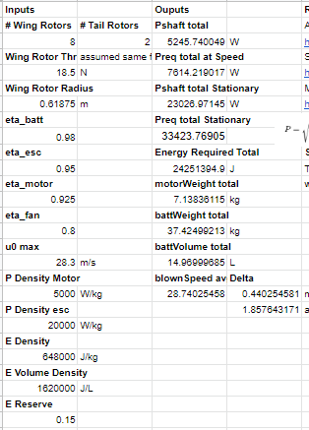
0.98 |  | 24777995.8 | J | T/W=1.1 at 0 speed this sets max power | PDR dry run State
eta_esc |  | motorWeight total |  | we need 30 mins at 55 kts and 5 mins at max power above
0.95 |  | 20.04237671 | kg
eta_motor |  | battWeight total
0.925 |  | 38.23764784 | kg
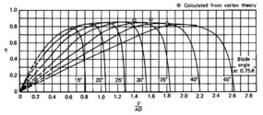
eta_fan |  | battVolume total
0.8 |  | 15.29505913 | L
u0 max |  | blownSpeed avg | Delta
28.3 | m/s | 28.79816921 | 0.4981692068 | m/s
P Density Motor |  |  | 1.8576431711 | at max power and speed
5000 | W/kg
P Density esc
20000 | W/kg
E Density
648000 | J/kg
E Volume Density
1620000 | J/L
E Reserve
0.15
Tip Angle
20 | deg

Max Tip RPM
Propeller radius | 1.30 | meters
circumfrance | 4.08407045 | meters
Max Tip (Mach 0.5) | 171.5 | m/s
Max RPM | 2519.545176 | RPM
Torque | 847.1130735

